UI Changes
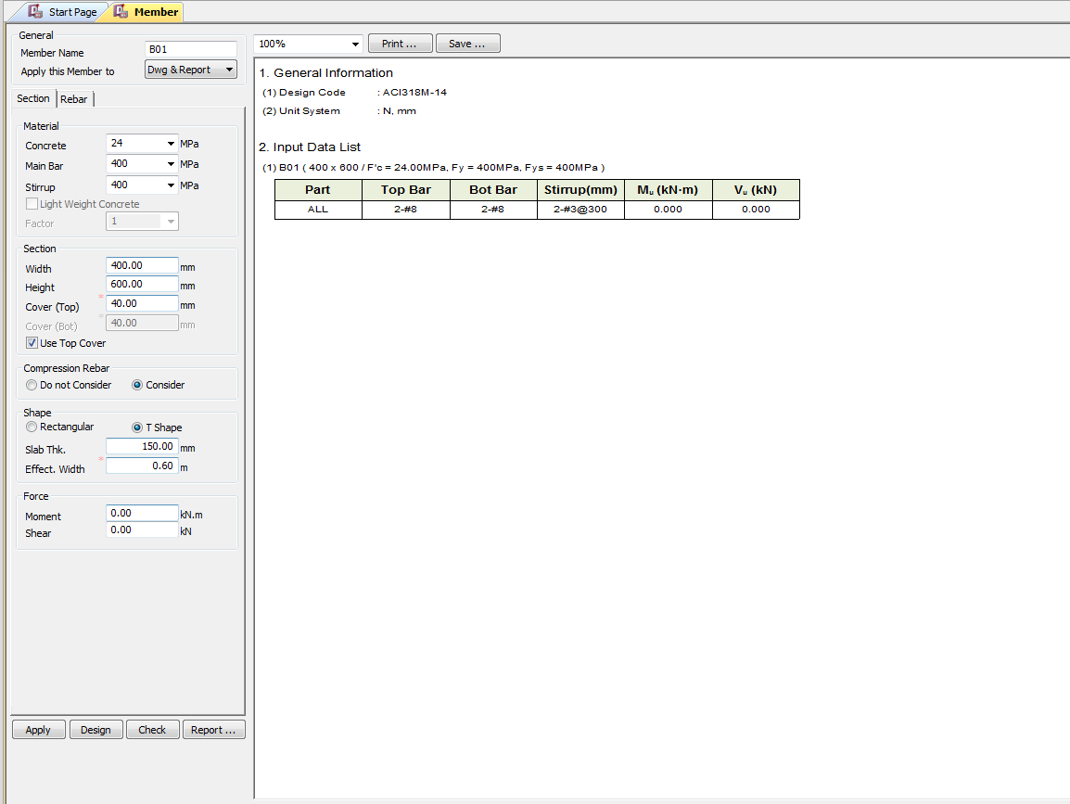
 |  | Required Changes in UI

PROJECT MODE |  |  |  |  |  | SIMPLE MODE |  |  |  | CHECKMODE
SAME GUI + ADDITIONAL FEATURES IF REQUIRED
TORSION INPUT FROM TABLE |  |  |  |  |  | TORSION INPUT BOX

 |  |  |  |  |  |  |  |  | Torsion data Box |  | Torsion data Box

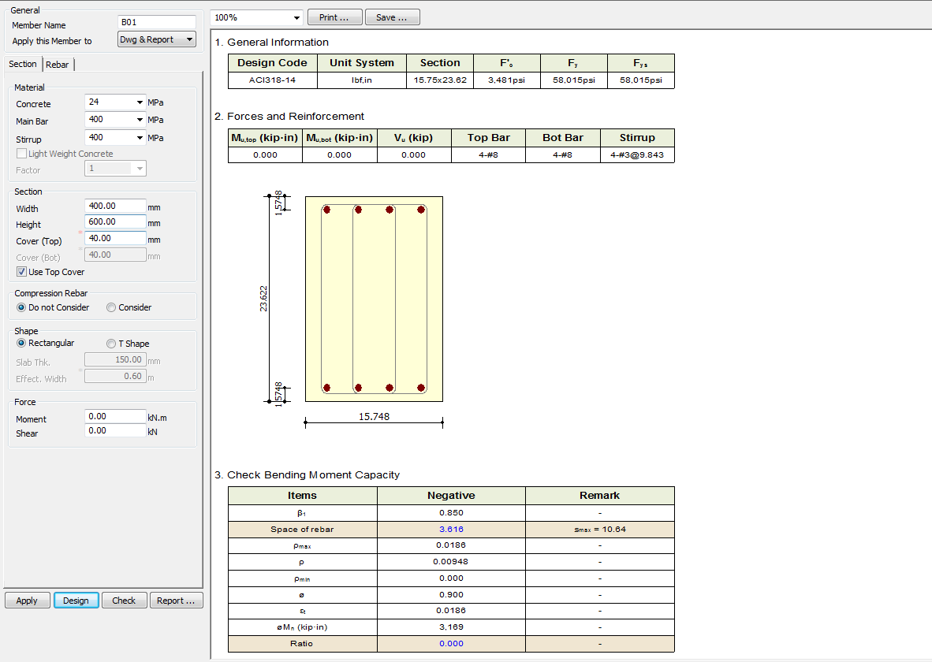
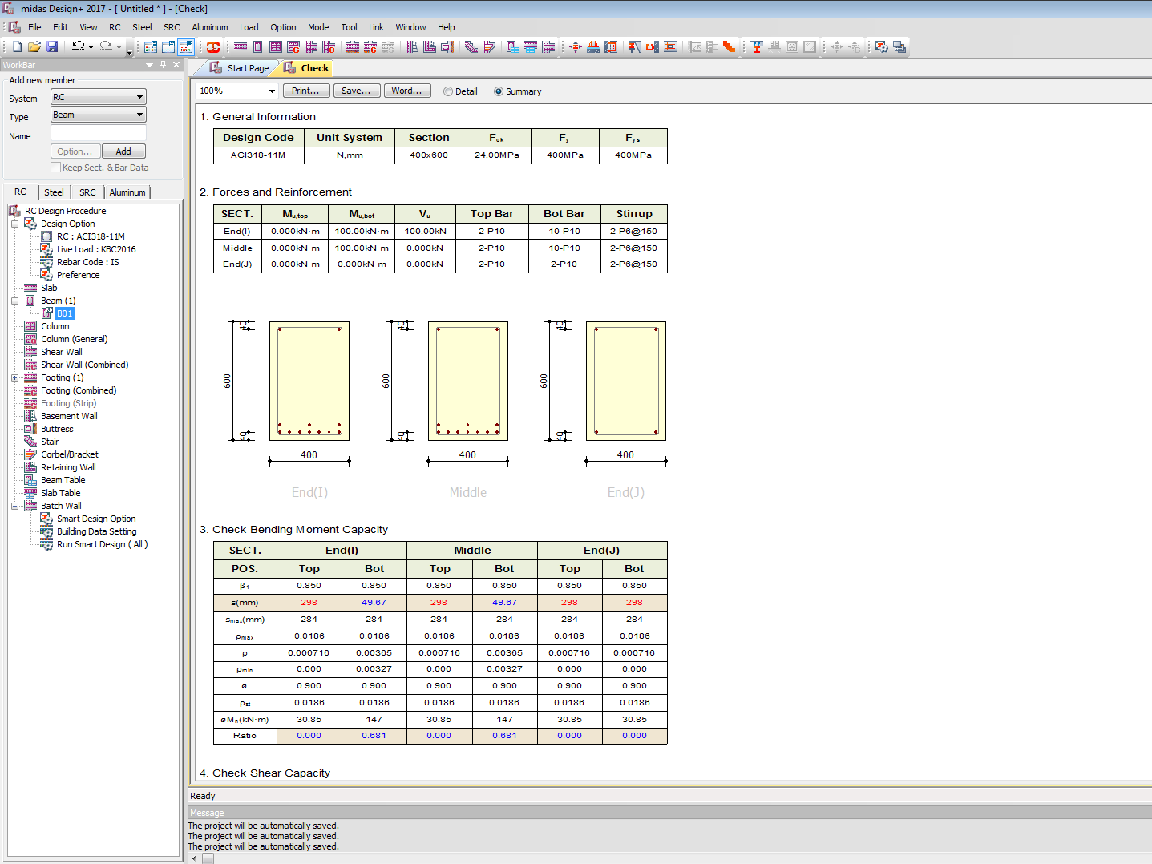

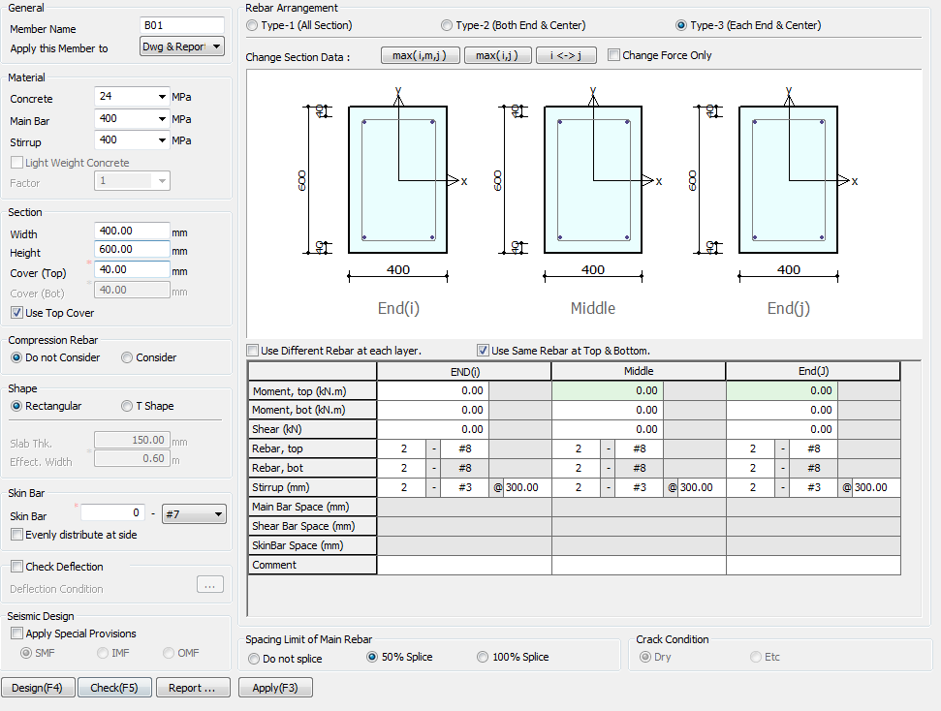

 |  |  |  |  |  |  | TORSION INPUT BOX

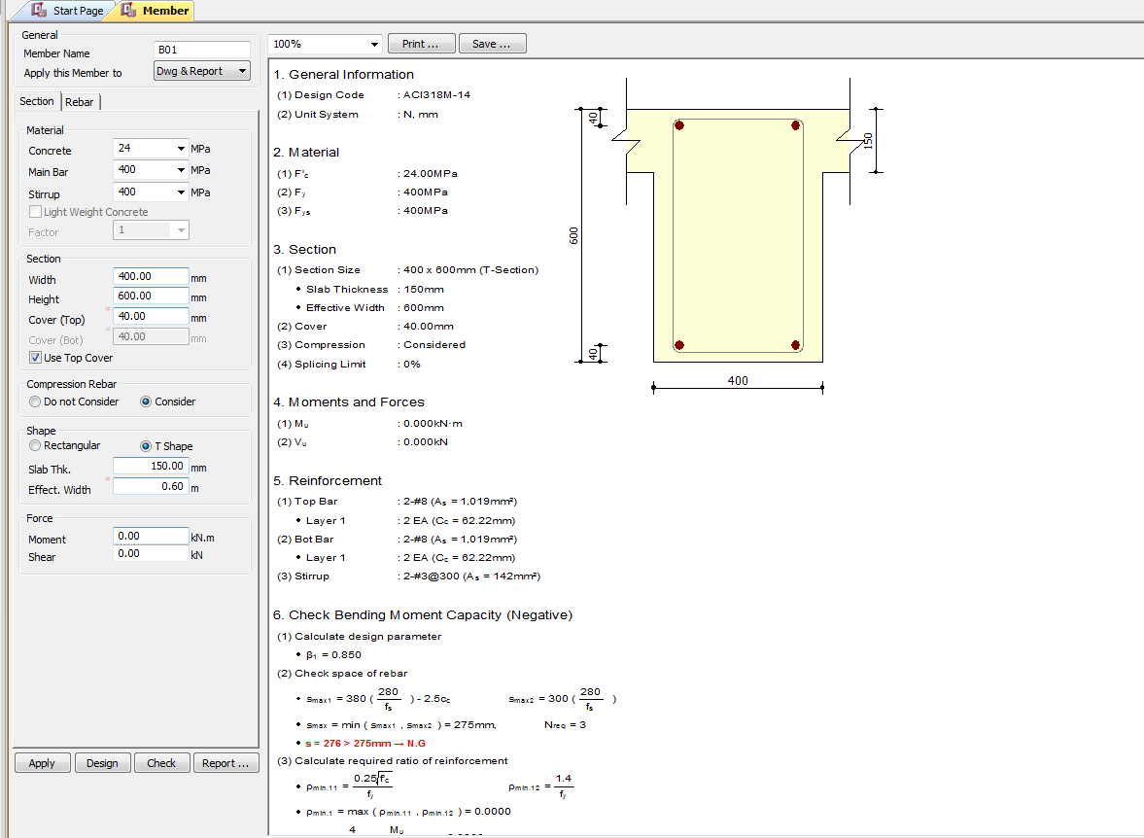
 |  |  |  |  | TORSION INPUT JUST BELOW SHEAR BOX
 | Rename skin bar with side face reinforcement
 |  |  | Replace seismic Design with IS 13920 Design
 |  |  | Hide smf imf and cmf

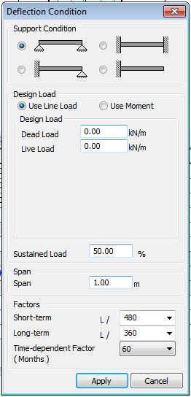

 |  |  |  | Change UI for deflection limit

 |  |  |  | 250, 350

 |  |  | 7, 28, 365 days for creep deflection

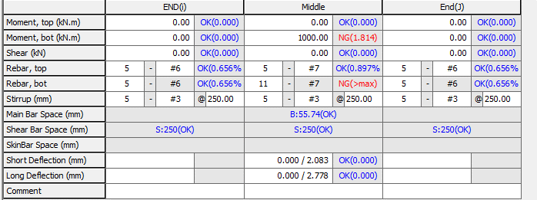

 |  |  |  | Replace short and long term defelction to Total Deflection
 |  |  |  |  |  |  |  | Include Torsion data

UI CHECK
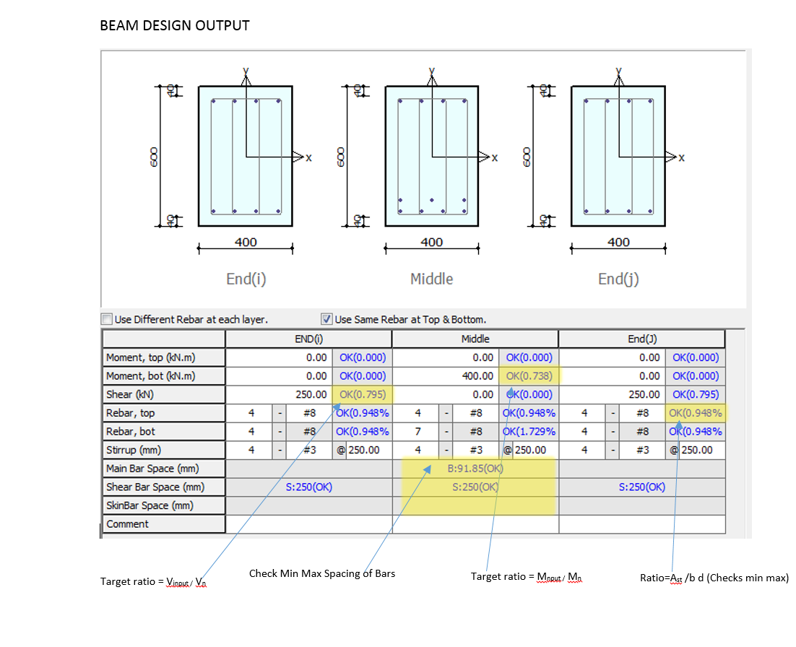
UI Checking

 | Checks the Input shear to section shear Capacity ratio
 | Checks the Input Moment toMoment section Capacity ratio
 | Check Min Max spacing of Bar
 | Check Min Max Area of steel
 | Check Deflection Limit as per code

CODE PROVISIONS
CODE PROVISION

IS 456 2000 CODE PROVISIONS
SP 16
SP 24
IS 13920 2016
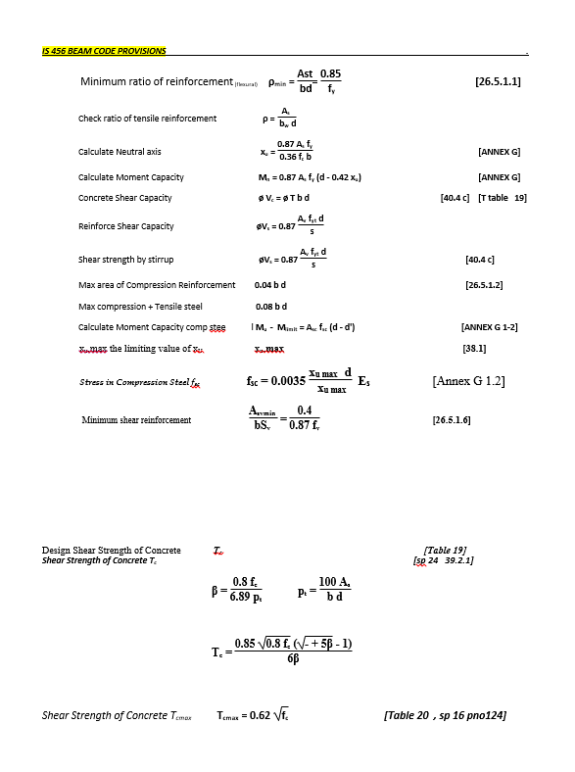

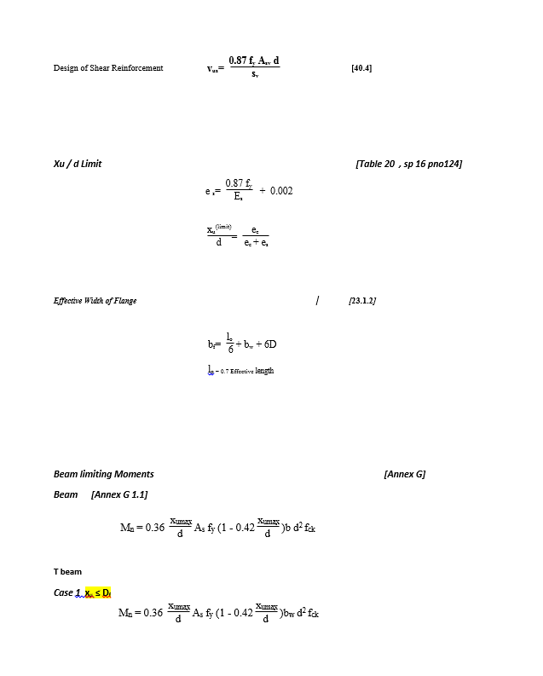

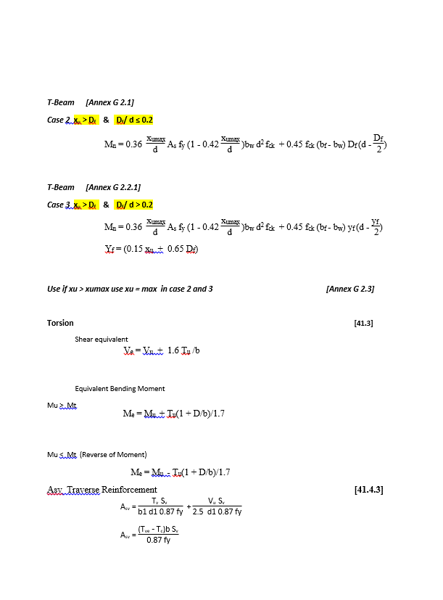

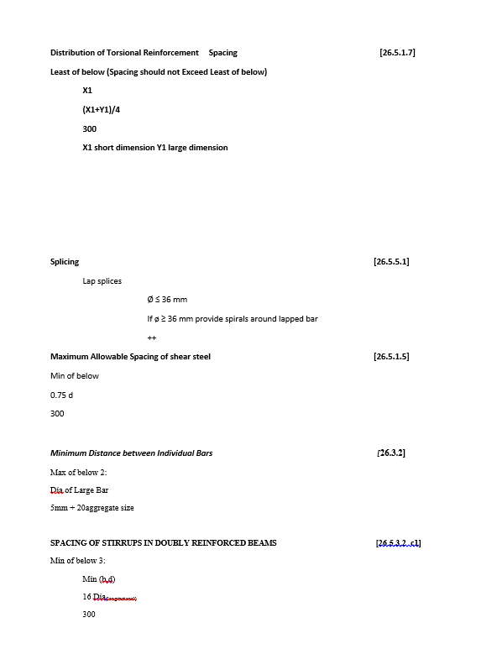

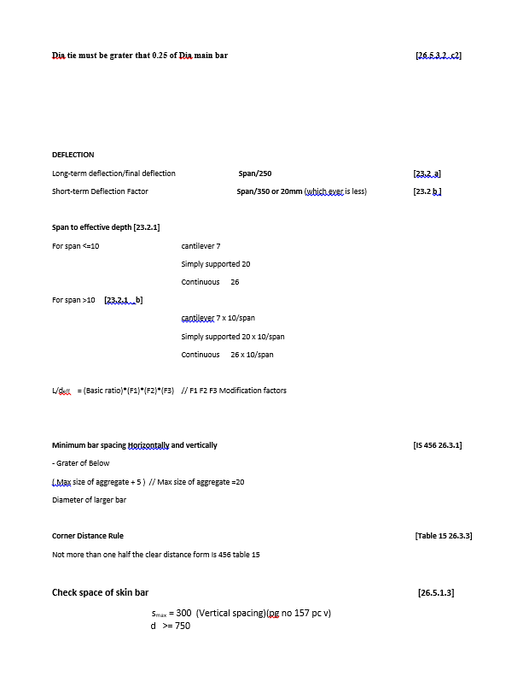

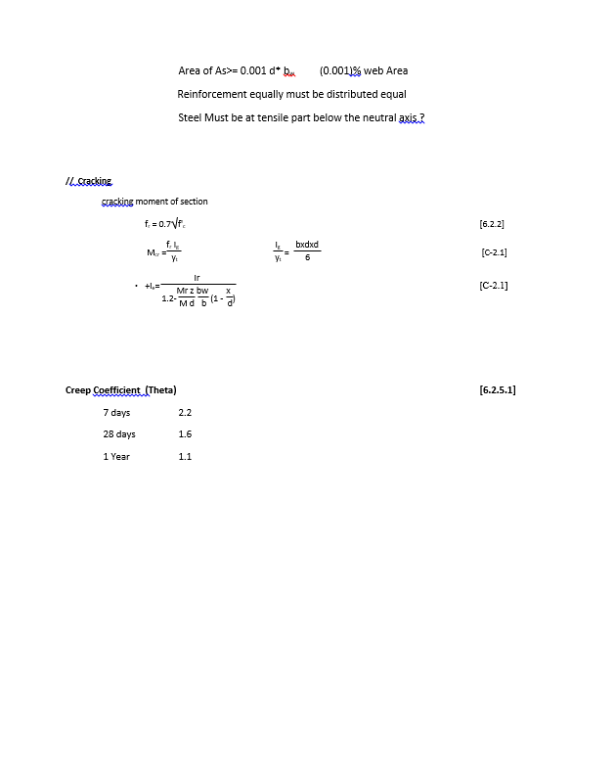

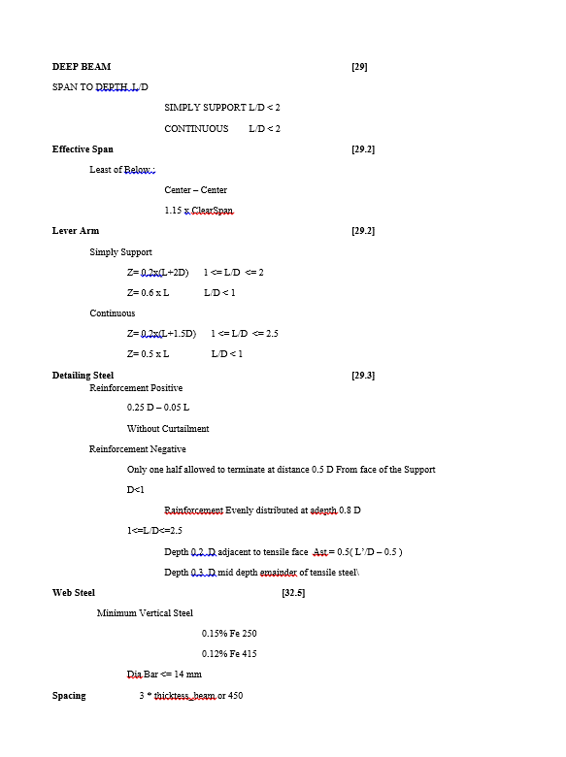

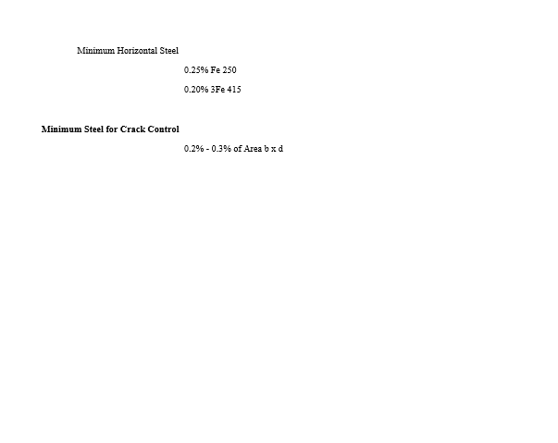

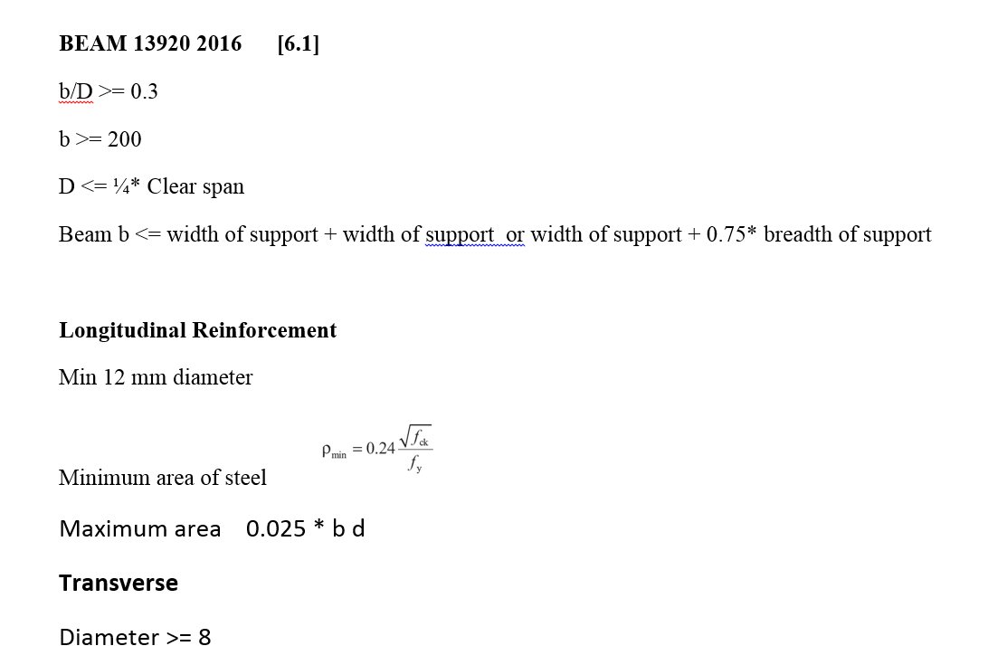

 | snipp

FLOWCHART
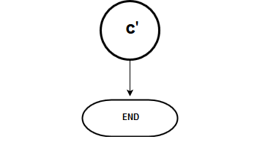
Flow Chart

FLOW CHARTS FOR EACH STEPS

 |  |  |  | SERICEABILITY B B'

 | Over view of Flow chat

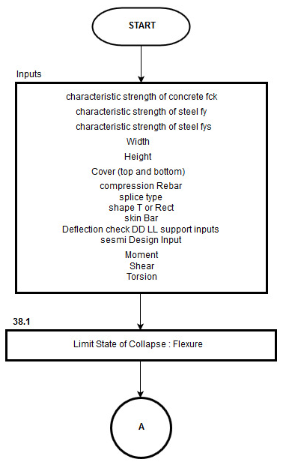

 |  |  | Detail of FlowChat

 |  |  |  |  |  | MOMENT CALCULATIONS

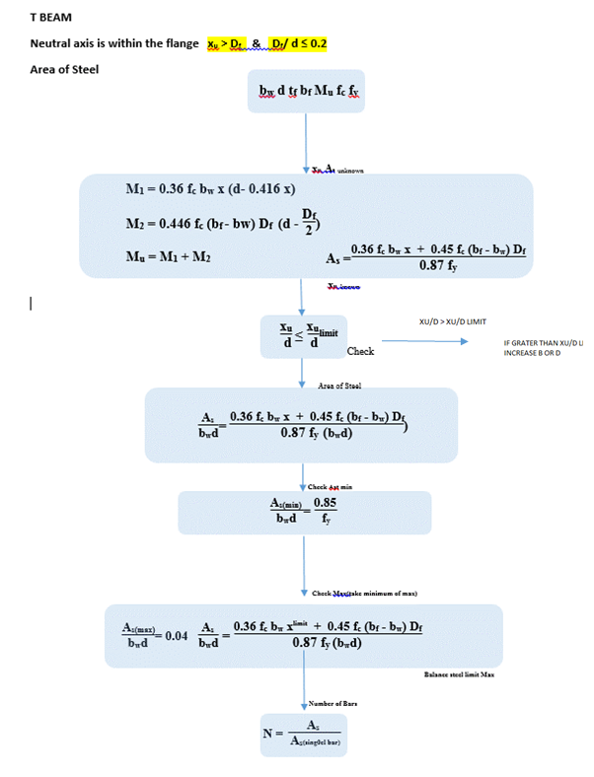
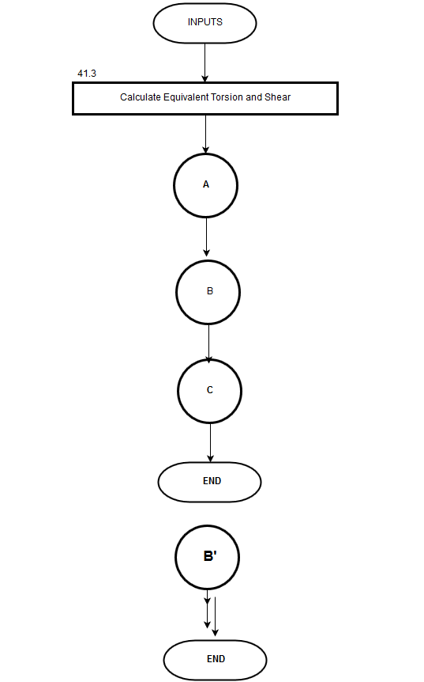
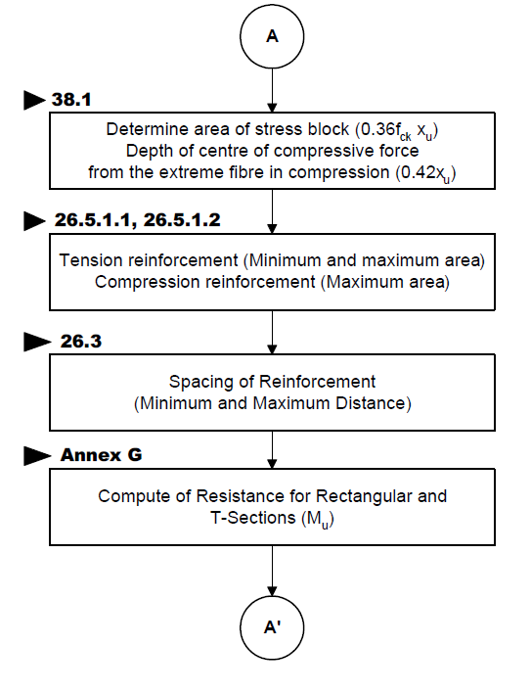
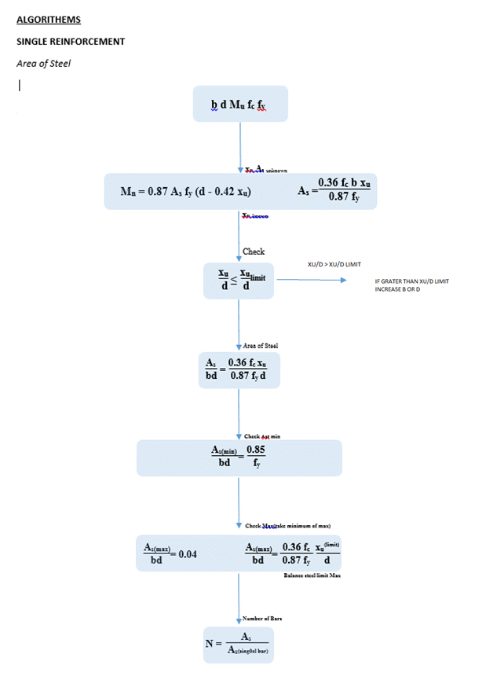
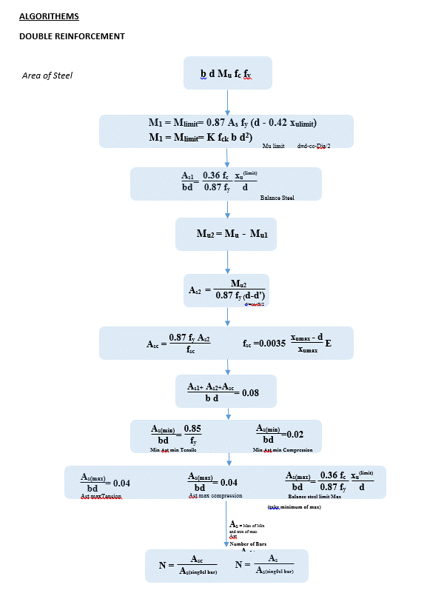
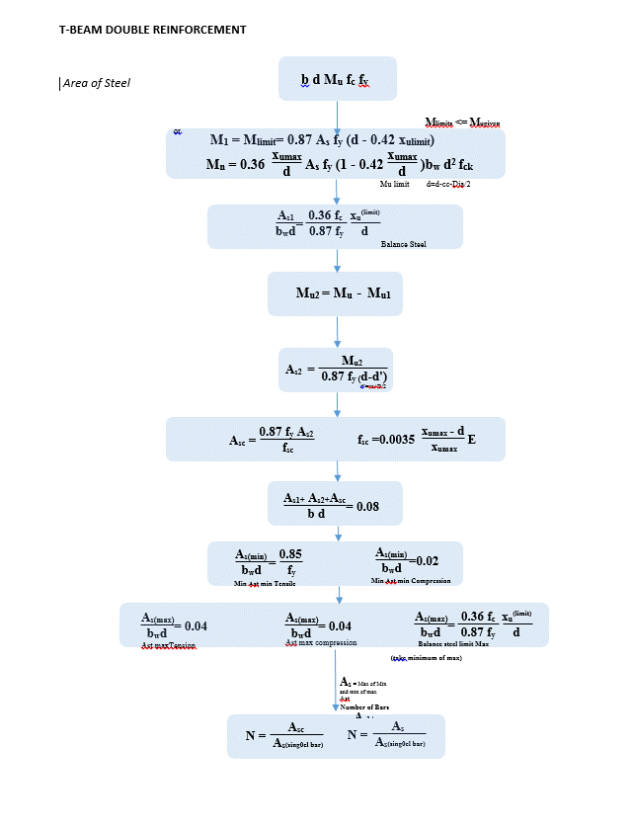
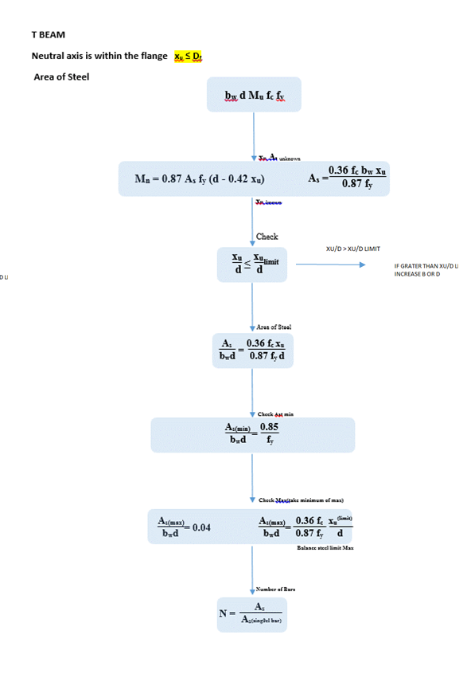
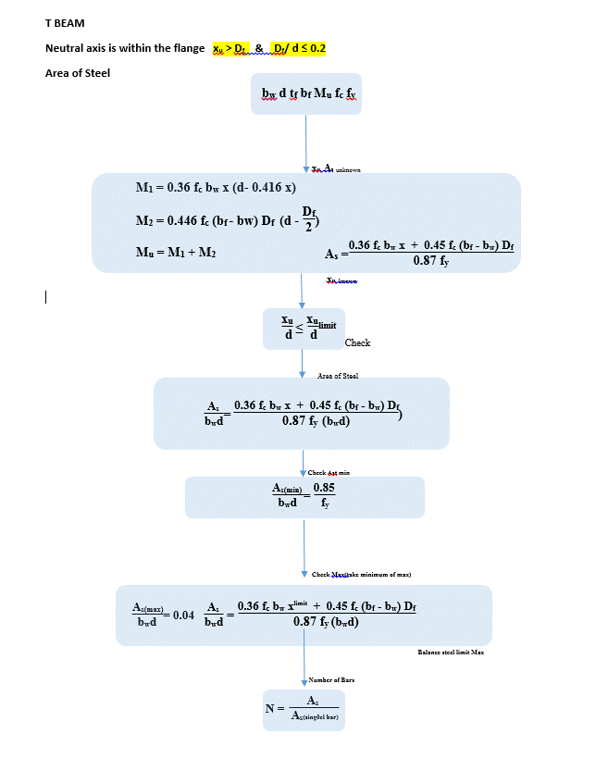

 |  |  |  |  |  |  | TORSION
 |  |  |  |  |  | Moment calculation for Single Reinforcement
 |  |  |  |  |  |  |  | 41.3
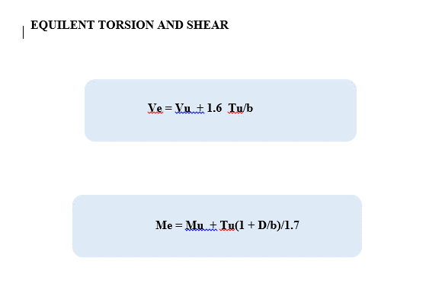

 |  | FLEXURE A A' |  |  |  | Moment calculation for Double Reinforcement

 |  |  |  |  |  | Moment calculation for T BEAM

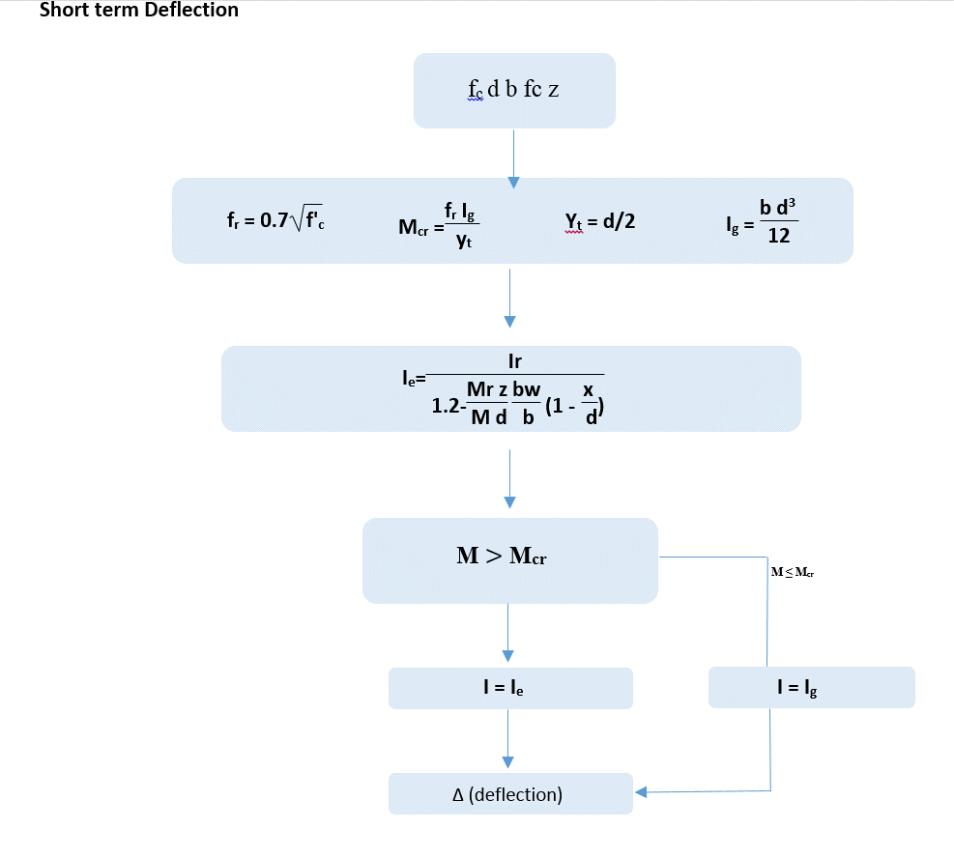
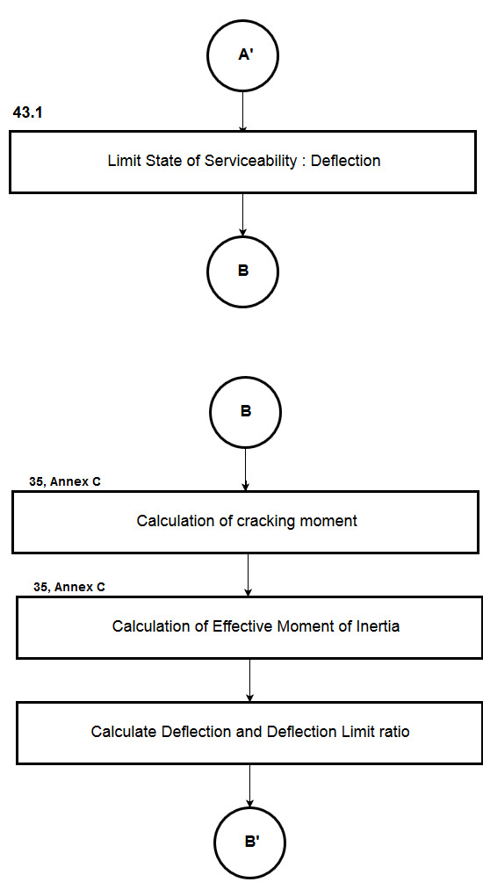
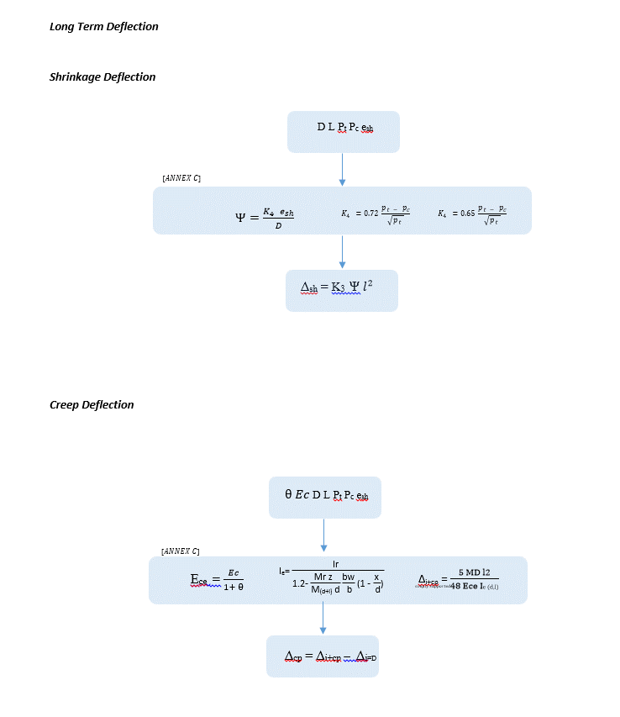

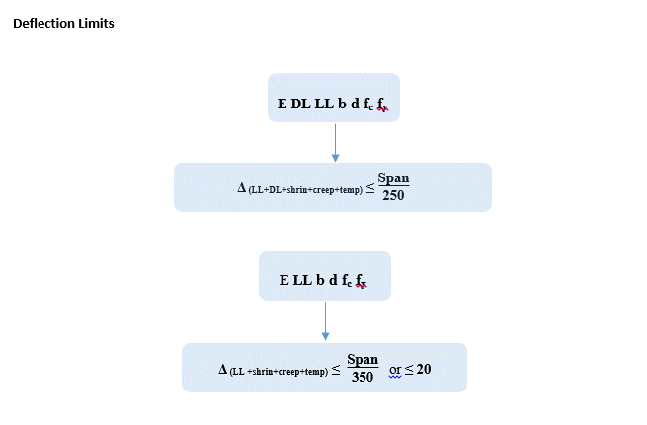

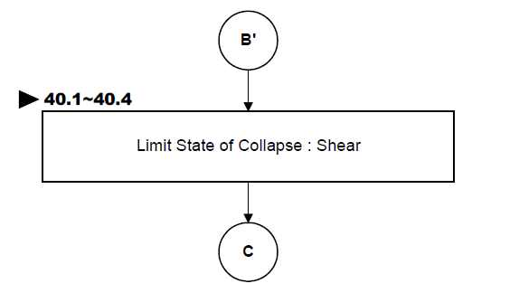
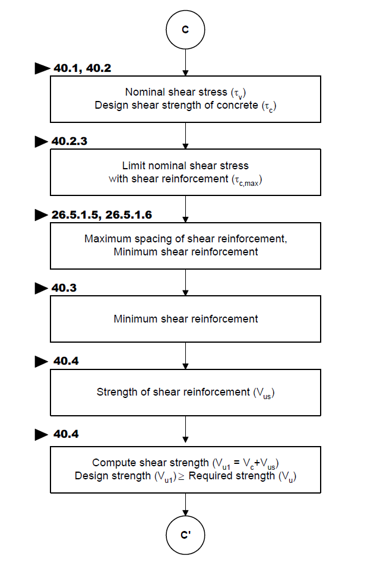
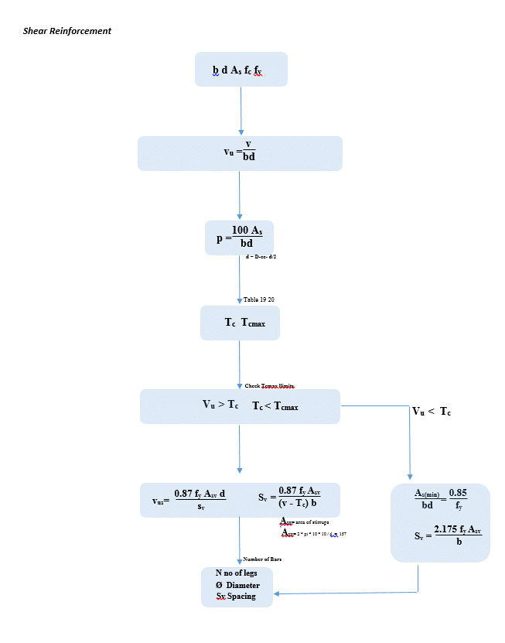

 |  |  |  |  | Shear Strength of Concrete

 |  |  |  |  | Total Strength V=Vc + Vs

REPORT
 | REPORT

 |  |  |  |  |  |  | Include T Torsion
Detail Report

 |  |  | Summary Report
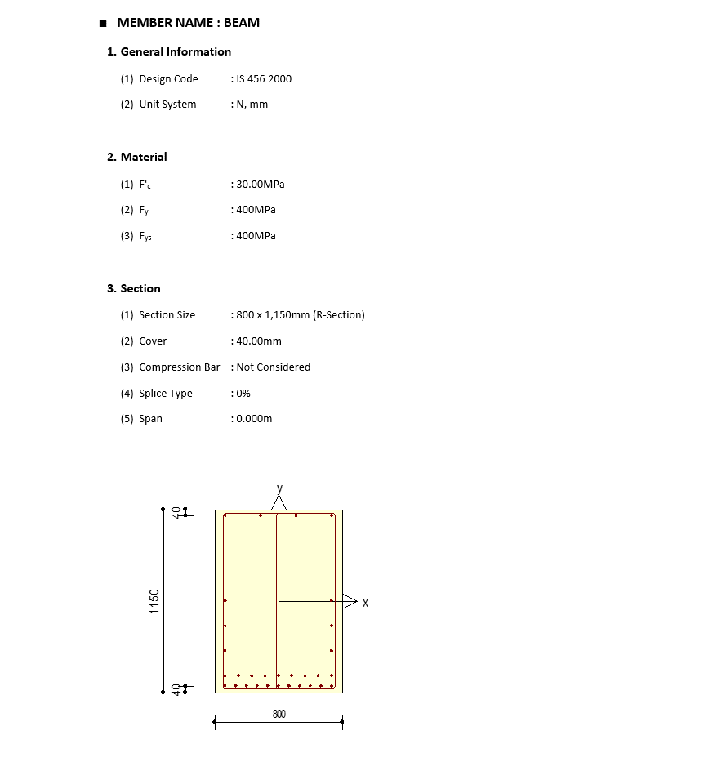
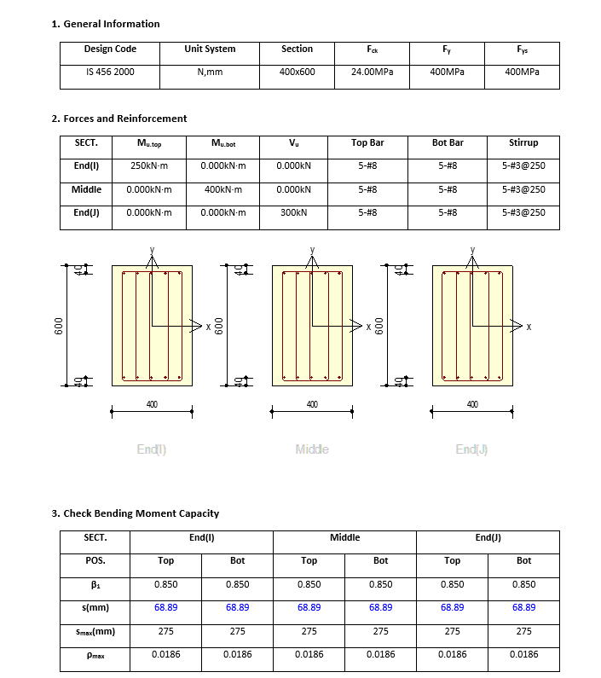

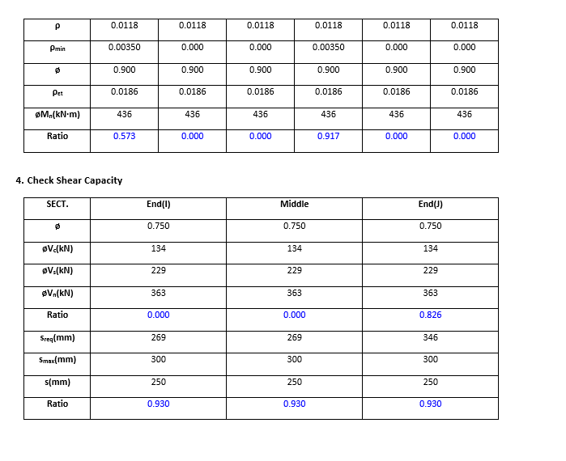

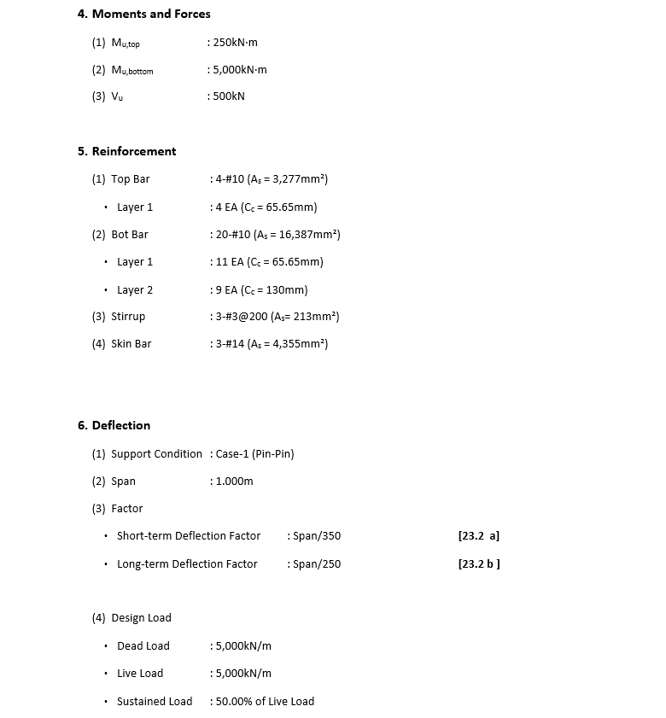
 |  |  |  |  |  |  |  | Remove Beta

 |  |  |  |  |  |  |  | Provide Equivalent Torsion

 |  |  |  |  |  |  |  | Change shortterm and longterm deflection to Total Deflection

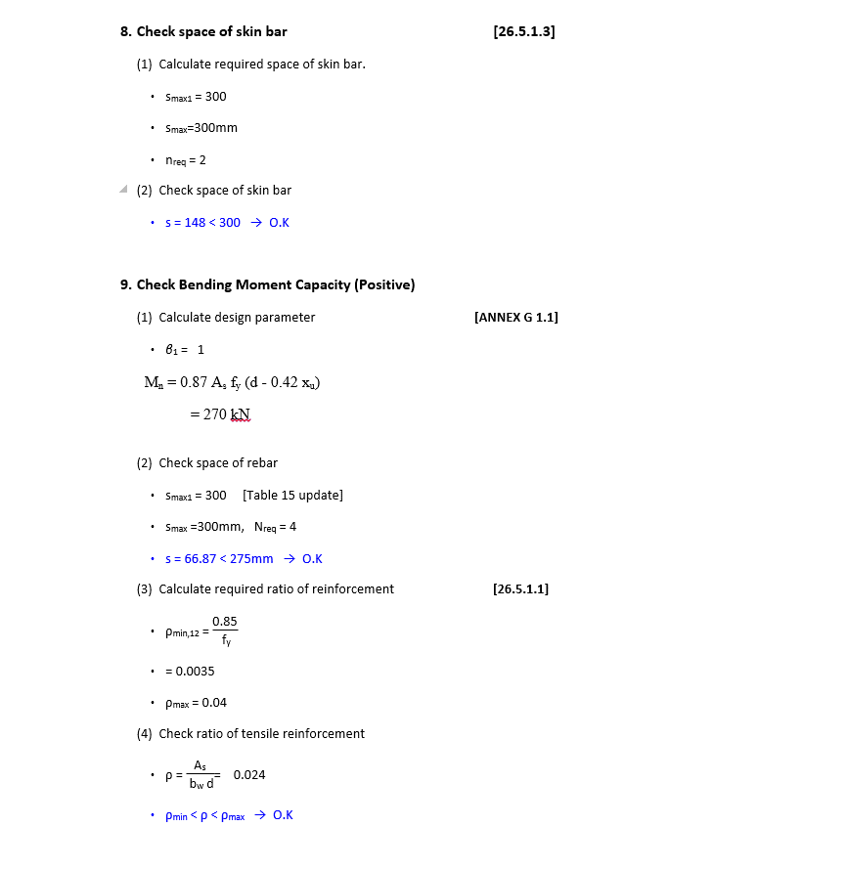

 |  |  | Add Equivalent Moment |  | Me = Mu + Mt

 |  | Remove Beta

 |  | Include Sesmic min max Ast if Seismic option is selected

 |  |  |  |  |  | Double Reinforcement Mu= Mulimit + M2

 |  |  | Max 0.025 of b d

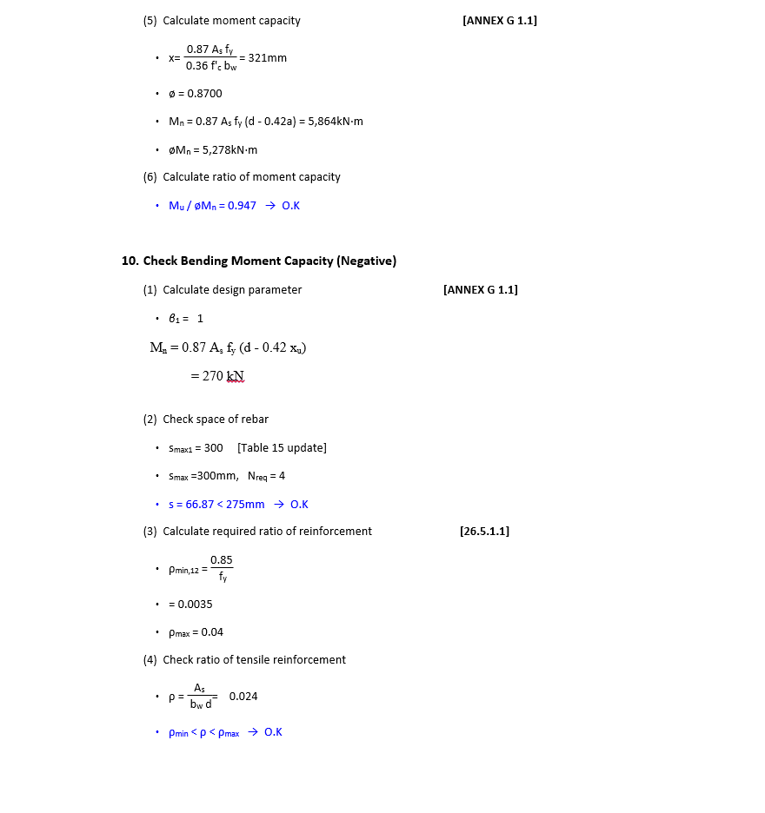

 |  |  | Add Equivalent Moment |  | Me = Mu + Mt

 |  | Remove Beta

 |  | Include Sesmic min max Ast if Seismic option is selected

 |  |  | Max 0.025 of b d

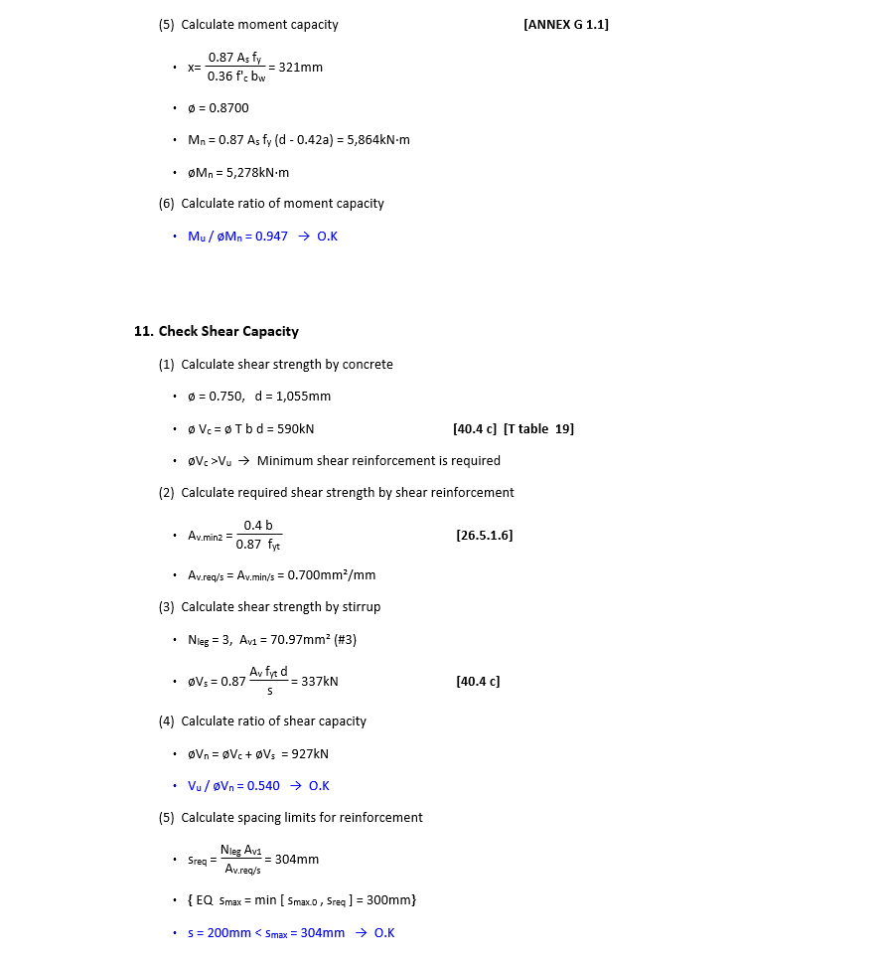

 |  |  | Add Equivalent Shear formula from Trosion

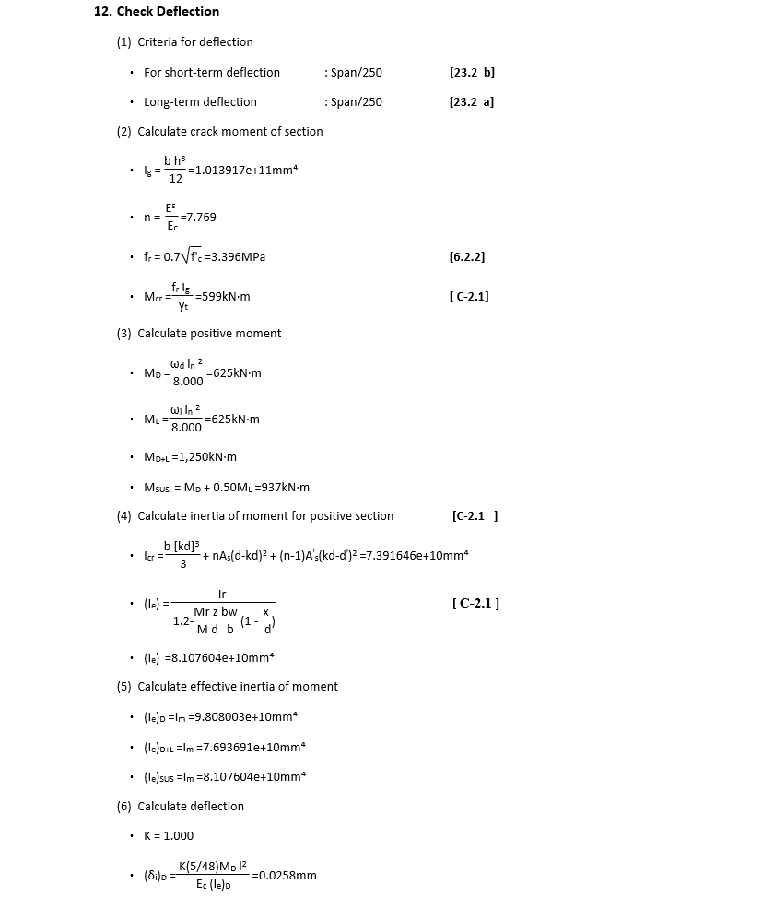

 |  |  | Total Deflection Formulla
 |  |  | Span/250 | Span/350

 |  |  | Double Reinforcement Equation

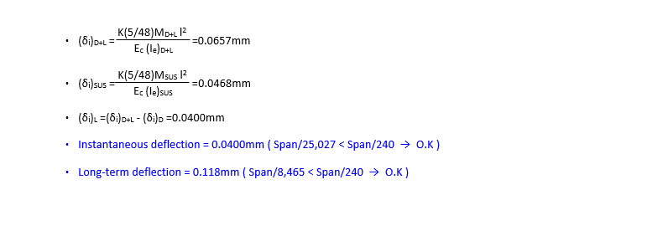

 |  | Add Creep and shrinkage Deflections
 |  | Δsh = K3 Ψ

 |  | Ece =
Δ_{cp} = Δ_{i+cp} – Δ_{i=D}

 |  | Change to Total Deflection

